Sheet1
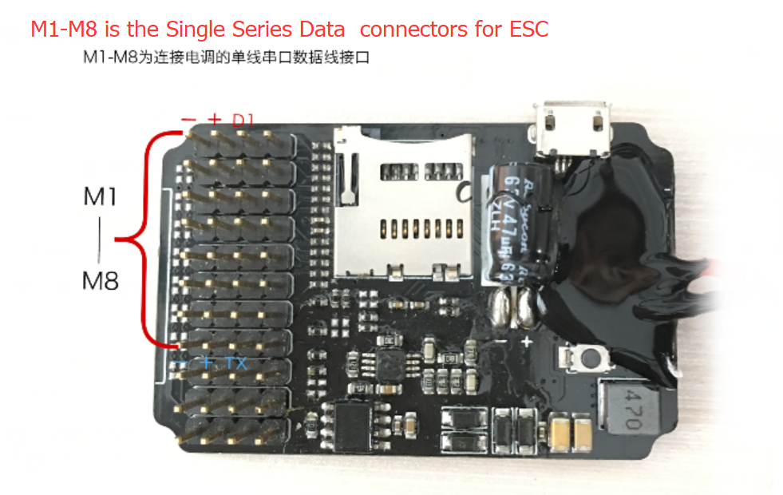
DATALINK Power-in, support 2-12S LIPO

TX1 Series line Output Data Format
1:115200BPS Series Data Format(CRC_CCITT 0X1021,High type is front, Lower type is back)
Middle field, 8 channels totally.
 |  |  |  | (Double byte data are all High byte is front, low byte is back)
 |  | 0-5 |  | 0 | 1 | 2 | 3 | 4-5
 |  |  |  | Frame head | Frame number of bytes | Communication protocol version | Command word | Whole bags number
 |  |  |  | 0x9B | 0xXX | 0xXX | 0x02 | 0xXXXX

 |  |  |  |  |  | Middle field Data format(There is one channel format, the rest channel format is same) |  |  |  |  |  |  |  |  |  |  |  | Status code low
 |  |  |  | 6——24 | M1 | 6 | 7-8 | 9-10 | 11-12 | 13-14 | 15-16 | 17-18 | 19-20 | 21 | 22 | 23-24 |  | bit0 | bit1 | bit2 | bit3 | bit4 | bit5 | bit6 | bit7
 |  |  |  | 25——43 | M2 | ESC channel number | channel data bag number | Rx throttle | actual throttle | Electric RPM | Busbar voltage | Busbar current | Phase line current | MOS temperature | capacitor temperature | Status code |  | overvoltage | undervoltage | overcurrent | 500us throttle status | lose signal | throttle stick wasn't on the bottom | MOS overheat | capacitor overheat
 |  |  |  | 44——62 | M3 | 0xX X | 0xXX 0xXX | 0xXX 0xXX | 0xXX 0xXX | 0xXX 0xXX | 0xXX 0xXX | 0xXX 0xXX | 0xXX 0xXX | 0xXX | 0xXX | 0xXX 0xXX |  | Status code high
0-159 |  | 6-157 |  | 63——81 | M4 | 0-255, use hexadecimal | 0-65535, use hexadecimal | 0-1024 |  | 0-65535 | 0-65535 | ±32767 |  | 0-255 |  | 0-65535,use binary system |  | bit0 | bit1 | bit2 | bit3 | bit4 | bit5 | bit6 | bit7
 |  |  |  | 82——100 | M5 | XX, use decimalism | XXXX, use decimalism | XXXX*100/1024 floating-type,use one decimal point |  | XXXX*10/(Tooth*Poles),Input from phone and use integer | XXXX/10,use one decimal point | XXXX transfer to signed integer XXXX/64,use one decimal point |  | ADC value match with table look-up‘s value |  | XXXX show decimalism |  | blocked | H-bridge break | H-bridge short circult | motor wire break | phase A issue | phase B issue | phase C issue | Direction Flag
 |  |  |  | 101——119 | M6
 |  |  |  | 120——138 | M7
 |  |  |  | 139——157 | M8
 |  |  |  | 158-159
 |  |  |  | CRC check OxXXXX
 |  | 158-159
 |  |  |  | Summation check The previous 22 bytes
 |  |  |  | Sum=XXXX
ESC single wire 19200BPS serial data version
Bale No | Bale No | Rx throttle | Rx throttle | Actual output throttle | Actual output throttle | Electric RPM | Electric RPM | Busbar Voltage | Busbar Voltage | Busbar Current | Busbar Current | Phase Wire current | Phase Wire current | MOS Temp | Capacitance Temp | Status Code | Status Code | Verify Code | Verify Code
OxXX | OxXX | OxXX | OxXX | OxXX | OxXX | OxXX | OxXX | OxXX | OxXX | OxXX | OxXX | OxXX | OxXX | OxXX | OxXX | OxXX | OxXX | OxXX | OxXX
0-65535,use hexadecimal |  | 0-1024 |  |  |  | 0-65535 |  | 0-65535 |  | ±32767 |  |  |  | 0-255 |  | 0-65535,use binary system |  | 0-65535,use hex systems
XXXX,use decimalism |  | XXXX*100/1024 floating-type,use one decimal point |  |  |  | XXXX*10/(Tooth*Poles),Input from phone and use integer |  | XXXX/10,use one decimal point |  | XXXX transfer to signed integer XXXX/64,use one decimal point |  |  |  | ADC value match with table look-up‘s value |  | XXXX show decimalism |  | Sum VerifIcation,22 data bytes sum=XXXX

